Instructions
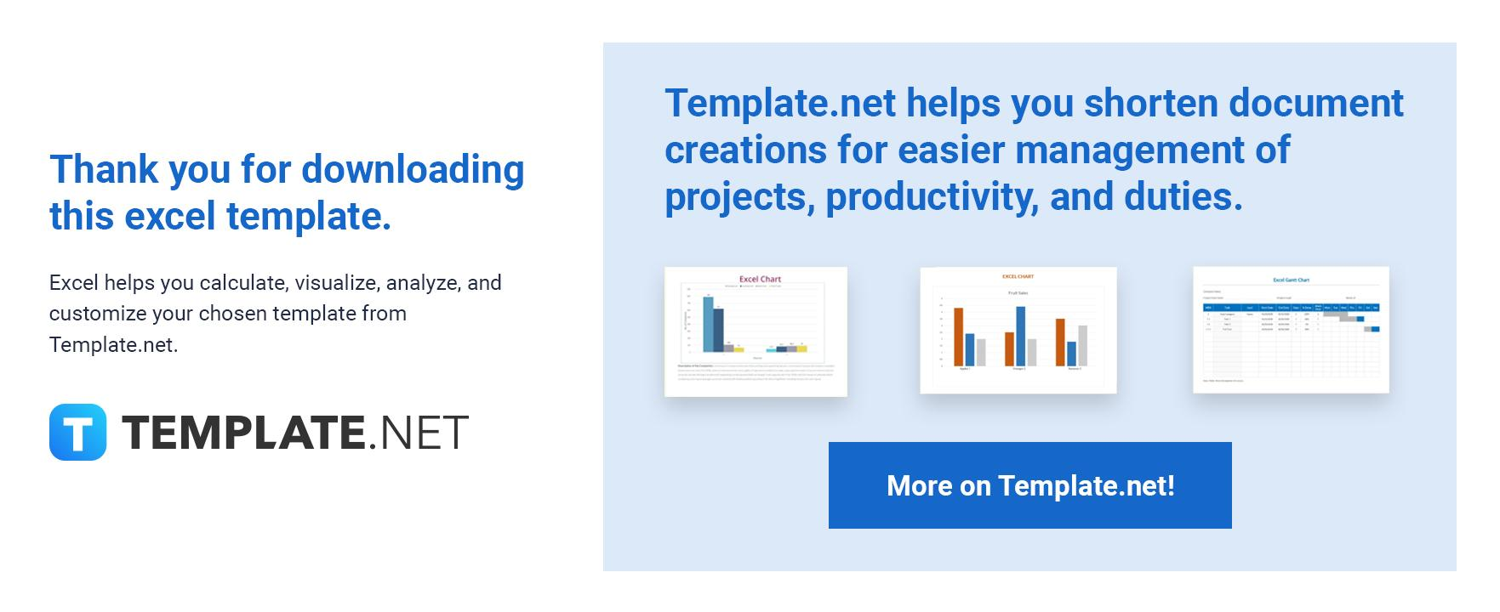

The following are instructions on how to use the template.

1. Edit or add content like inserting rows and columns to the template.
2. There are no locked-up cells for easier editing of cell names.
3. All text or numbers in bold are auto-formulated.
4. Red highlights in the cells are negative numbers. To remove the conditional formatting watch this | video clip.
5. Feel free to change any formula.

Should you need assistance, please contact our Customer Support Team using the chat box found on the website.

